Hiearchy View
CLASS: REPEATER
a device for the automatic retransmission or amplification of an electrically transmitted message. |  | 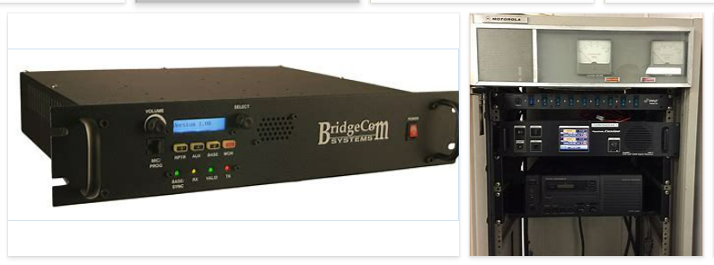
REMOVE | N

PROBLEM_DESC | CAUSE_DESC | REMEDY_DESC
ALARM/SENSOR
BROKEN/DAMAGED
NOISE
OTHER PROBLEM
OVERHEATING
POWER-ELEC
STOPPED/SLOWED/POOR OPS
TEMP-CTRL
VIBRATION
Grand Total

